Foglio1
Articolo | Descrizione | Category | Sub-Category | Leather Function | RSP | PC Disponibili | Foto
124116 | MST Soft Grain My Off Portfolio Blu Clay Dimensions 350 x 30 x 250 mm | LEATHER | MEDIUM LEATHER GOODS | Portfolio | 585 € | 245 | 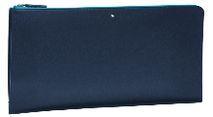
123714 | MST Sfumato Portfolio With Flap Navy Dimensions 350 x 40 x 275 mm | LEATHER | MEDIUM LEATHER GOODS | Portfolio | 860 € | 98 | 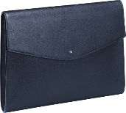
126066 | MST Clutch Pochette Black Dimensions 260 x 60 x 185 mm | LEATHER | MEDIUM LEATHER GOODS | Clutch Bag | 625 € | 51 | 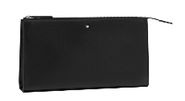
126067 | MST Clutch Pochette Navy Dimensions 260 x 60 x 185 mm | LEATHER | MEDIUM LEATHER GOODS | Clutch Bag | 625 € | 101 | 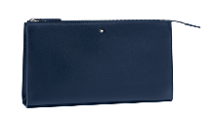
126055 | MB Sartorial Clutch Pochette Indigo Dimensions 270 x 50 x 210 mm | LEATHER | MEDIUM LEATHER GOODS | Clutch Bag | 565 € | 485
124082 | MST Urban Clutch with two zips Black Dimensions 270 x 30 x 190 mm | LEATHER | MEDIUM LEATHER GOODS | Clutch Bag | 760 € | 134
124083 | MST Urban Clutch with two zips Cobalt Dimensions 270 x 30 x 190 mm | LEATHER | MEDIUM LEATHER GOODS | Clutch Bag | 760 € | 215 | 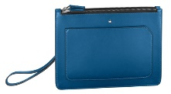
126057 | MB Sartorial Clutch Pochette Red Dimensions 270 x 50 x 210 mm | LEATHER | MEDIUM LEATHER GOODS | Clutch Bag | 565 € | 267 | 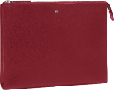
126058 | MB Sartorial Pouch Small Black Dimensions 240 x 30 x 130 mm | LEATHER | MEDIUM LEATHER GOODS | Pouch | 505 € | 125
126063 | MB Sartorial Pouch Medium Indigo Dimensions 270 x 30 x 180 mm | LEATHER | MEDIUM LEATHER GOODS | Pouch | 585 € | 565 | 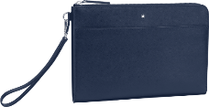
126065 | MB Sartorial Pouch Medium Red Dimensions 270 x 30 x 180 mm | LEATHER | MEDIUM LEATHER GOODS | Pouch | 585 € | 43 | 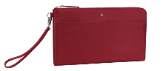
126061 | MB Sartorial Pouch Small Red Dimensions 240 x 30 x 130 mm | LEATHER | MEDIUM LEATHER GOODS | Pouch | 505 € | 542 | 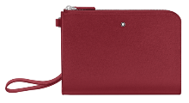
126064 | MB Sartorial Pouch Medium Dk Grey Dimensions 270 x 30 x 180 mm | LEATHER | MEDIUM LEATHER GOODS | Pouch | 585 € | 257 | 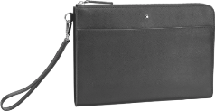
126060 | MB Sartorial Pouch Small Dk Grey Dimensions 240 x 30 x 130 mm | LEATHER | MEDIUM LEATHER GOODS | Pouch | 505 € | 56 | 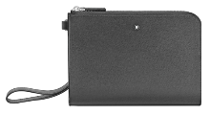
127322 | MST Soft Grain Pouch Small 2 in 1 Bk/Bl Dimensions 225 x 25 x 135 mm | LEATHER | MEDIUM LEATHER GOODS | Pouch | 675 € | 241
126637 | MST Selection Pouch Small 2 in 1 Bl Dimensions 225 x 25 x 135 mm | LEATHER | MEDIUM LEATHER GOODS | Pouch | 720 € | 4
126743 | MST Soft Grain Envelope Small MPrint Bk | LEATHER | MEDIUM LEATHER GOODS | Envelope Bag | 675 € | 92
127324 | MST Soft Grain Envelope Mini Bk/Bl | LEATHER | MEDIUM LEATHER GOODS | Envelope Bag | 525 € | 31
127323 | MST Soft Grain Envelope Mini Bk/Yl | LEATHER | MEDIUM LEATHER GOODS | Envelope Bag | 525 € | 57
124128 | MST Soft Grain My Off Notebook M BluClay | LEATHER | MEDIUM LEATHER GOODS | Notepads & Organizers | 420 € | 712 | 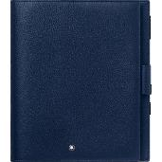
123742 | MST Soft Grain Notebook Med Mixtapes Bk | LEATHER | MEDIUM LEATHER GOODS | Notepads & Organizers | 420 € | 486 | 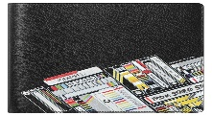
124129 | MST Soft Grain My Off Notebook M BlkGold | LEATHER | MEDIUM LEATHER GOODS | Notepads & Organizers | 420 € | 562
124127 | MST Soft Grain My Off Notebook M BlkRed | LEATHER | MEDIUM LEATHER GOODS | Notepads & Organizers | 420 € | 236
116355 | MB Sartorial Notepad large zip Indigo | LEATHER | MEDIUM LEATHER GOODS | Notepads & Organizers | 665 € | 13 | 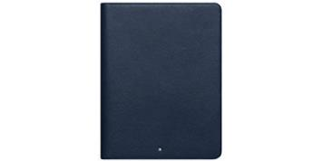
126639 | MST Selection Notepad Holder Pocket Bk | LEATHER | MEDIUM LEATHER GOODS | Notepads & Organizers | 730 € | 3
124079 | MST Urban Laptop Case Black Dimensions 350 x 40 x 250 mm | LEATHER | MEDIUM LEATHER GOODS | Laptop Case | 860 € | 89 | 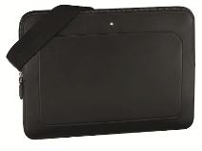
124080 | MST Urban Laptop Case Cobalt Dimensions 350 x 40 x 250 mm | LEATHER | MEDIUM LEATHER GOODS | Laptop Case | 860 € | 50 | 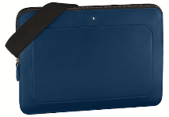
124120 | MST Soft Grain My Off Case Mini BlkRed | LEATHER | MEDIUM LEATHER GOODS | Vanity Bag | 205 € | 74
118769 | BeltRecShRutCoatPinBucklePerfLTBkURS35mm | LEATHER | LT BELTS | Belt | 360 € | 471
124095 | MST Urban Vertical Wallet 6cc Black | LEATHER | SMALL LEATHER GOODS | Wallets | 370 € | 435
124090 | MST Urban Wallet 6cc Cobalt | LEATHER | SMALL LEATHER GOODS | Wallets | 340 € | 360 | 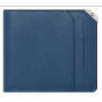
124089 | MST Urban Wallet 6cc Black | LEATHER | SMALL LEATHER GOODS | Wallets | 340 € | 1686
124091 | MST Urban Wallet 8cc Black | LEATHER | SMALL LEATHER GOODS | Wallets | 370 € | 134
118713 | Urban Racing Spirit Wallet 6cc Black | LEATHER | SMALL LEATHER GOODS | Wallets | 320 € | 1452 | 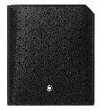
124184 | MB Sartorial Wallet 6cc Denim Blue | LEATHER | SMALL LEATHER GOODS | Wallets | 330 € | 201
123735 | MST Soft Grain Wallet 6cc Tape Bk | LEATHER | SMALL LEATHER GOODS | Wallets | 330 € | 128 | 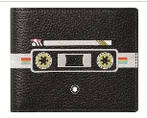
123724 | MST Sfumato Wallet 12cc ZipAr Navy | LEATHER | SMALL LEATHER GOODS | Wallets | 595 € | 121
123736 | MST Soft Grain Wallet 12cc ZipAr Tape Bk | LEATHER | SMALL LEATHER GOODS | Wallets | 440 € | 244
124139 | MB Sartorial Wallet12ccZAr CalligraphyBk | LEATHER | SMALL LEATHER GOODS | Wallets | 480 € | 57
114692 | 4810 WST Wallet 13cc zip around black | LEATHER | SMALL LEATHER GOODS | Wallets | 415 € | 127
118718 | Urban Racing Spirit Ver Wall12ccZipAr Bk | LEATHER | SMALL LEATHER GOODS | Wallets | 430 € | 2
123956 | MB Extreme 2.0 PocketHold 3cc Zip Bk | LEATHER | SMALL LEATHER GOODS | Pocket Card Holder | 195 € | 658
123738 | MST Soft Grain Pocket Holder 5cc Tape Bk | LEATHER | SMALL LEATHER GOODS | Pocket Card Holder | 165 € | 490 | 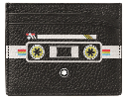
118719 | Urban Racing Spirit Pocket 5cc Black | LEATHER | SMALL LEATHER GOODS | Pocket Card Holder | 175 € | 383
126652 | MST Selection Pocket 5cc Zip Bk | LEATHER | SMALL LEATHER GOODS | Pocket Card Holder | 280 € | 15
128174 | Gift Set Wallet6cc & Pocket 3cc LOC S | LEATHER | SMALL LEATHER GOODS | Pocket Card Holder | 340 € | 197 | 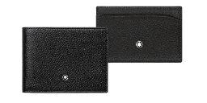
124099 | MST Urban BCH Black | LEATHER | SMALL LEATHER GOODS | Business Card Holder | 235 € | 724 | 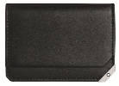
124101 | MST Urban BCH Zip Bk | LEATHER | SMALL LEATHER GOODS | Business Card Holder | 350 € | 510 | 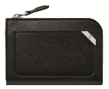
124102 | MST Urban BCH with Flap and Coin P Black | LEATHER | SMALL LEATHER GOODS | Business Card Holder | 410 € | 10 | 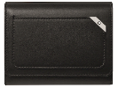
123737 | MST Soft Grain BCH Tape Bk | LEATHER | SMALL LEATHER GOODS | Business Card Holder | 205 € | 961 | 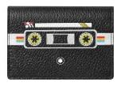
123727 | MST Sfumato BCH with U Gusset Burgundy | LEATHER | SMALL LEATHER GOODS | Business Card Holder | 265 € | 20
114922 | MST SEL Passport Holder Black XC | LEATHER | SMALL LEATHER GOODS | Passport Holder | 195 € | 221
116140 | MST Sel Passport Holder Brown XC | LEATHER | SMALL LEATHER GOODS | Passport Holder | 195 € | 464
126218 | Meisterstück Compact Travel Wallet Bk | LEATHER | SMALL LEATHER GOODS | Travel Wallet | 470 € | 342 | 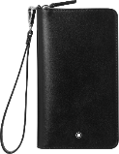
113208 | MB Sartorial Travel Wallet 16ccZip Black | LEATHER | SMALL LEATHER GOODS | Travel Wallet | 545 € | 399
126648 | MST Selection Compact Travel Wallet Bk | LEATHER | SMALL LEATHER GOODS | Travel Wallet | 575 € | 28 | 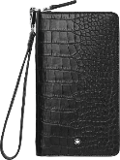
118684 | MB Sartorial Travel Wall 16cc Camou Blue | LEATHER | SMALL LEATHER GOODS | Travel Wallet | 520 € | 52
124109 | MST Urban Key Fob Black | LEATHER | SMALL LEATHER GOODS | Key Fobs & Key Cases | 195 € | 44 | 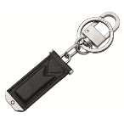
124110 | MST Urban Key Fob Cobalt | LEATHER | SMALL LEATHER GOODS | Key Fobs & Key Cases | 195 € | 288 | 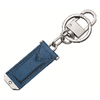
118693 | MB Sartorial Key Fob Pivot Indigo | LEATHER | SMALL LEATHER GOODS | Key Fobs & Key Cases | 195 € | 479 | 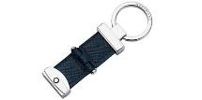
124111 | MST Soft Grain Key Fob Detach Black&Red | LEATHER | SMALL LEATHER GOODS | Key Fobs & Key Cases | 175 € | 534
124112 | MST Soft Grain Key Fob Detach Blue&Black | LEATHER | SMALL LEATHER GOODS | Key Fobs & Key Cases | 175 € | 309 | 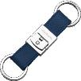
124114 | MST Soft Grain Key Fob DetachBicoBlk&Red | LEATHER | SMALL LEATHER GOODS | Key Fobs & Key Cases | 175 € | 331 | 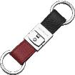
124113 | MST Soft Grain Key Fob Detach Red&Black | LEATHER | SMALL LEATHER GOODS | Key Fobs & Key Cases | 175 € | 174 | 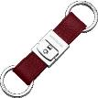
118694 | MB Sartorial Key Fob Pivot Red | LEATHER | SMALL LEATHER GOODS | Key Fobs & Key Cases | 195 € | 866
114565 | MST key fob resin two rings black | LEATHER | SMALL LEATHER GOODS | Key Fobs & Key Cases | 185 € | 110
118725 | Urban Racing Spirit Key Fob Bar Black | LEATHER | SMALL LEATHER GOODS | Key Fobs & Key Cases | 205 € | 67 | 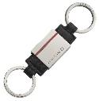
123740 | MST Soft Grain Key Fob Loop Label Bk | LEATHER | SMALL LEATHER GOODS | Key Fobs & Key Cases | 185 € | 654
123739 | MST Soft Grain Key Fob Loop Tape Bk | LEATHER | SMALL LEATHER GOODS | Key Fobs & Key Cases | 185 € | 742
124585 | MST Soft Grain Life Ring Key Fob | LEATHER | SMALL LEATHER GOODS | Key Fobs & Key Cases | 195 € | 1205
127381 | MST Soft Grain Key Fob Blue Rocket | LEATHER | SMALL LEATHER GOODS | Key Fobs & Key Cases | 195 € | 1044
127378 | MST Soft Grain Key Fob Astronaut | LEATHER | SMALL LEATHER GOODS | Key Fobs & Key Cases | 195 € | 1033
127379 | MST Soft Grain Key Fob Blue Ufo | LEATHER | SMALL LEATHER GOODS | Key Fobs & Key Cases | 195 € | 957
124583 | MST Soft Grain Compass Key Fob | LEATHER | SMALL LEATHER GOODS | Key Fobs & Key Cases | 195 € | 1007
124584 | MST Soft Grain Steering Wheel Key Fob | LEATHER | SMALL LEATHER GOODS | Key Fobs & Key Cases | 195 € | 1047
124587 | MST Soft Grain Shark Key Fob | LEATHER | SMALL LEATHER GOODS | Key Fobs & Key Cases | 195 € | 650 | 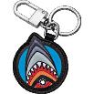
124586 | MST Soft Grain Flag Key Fob | LEATHER | SMALL LEATHER GOODS | Key Fobs & Key Cases | 195 € | 312 | 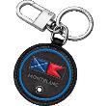
118320 | MST Key Fob Metal Round | LEATHER | SMALL LEATHER GOODS | Key Fobs & Key Cases | 175 € | 344
116883 | 4810 Westside Metal Round Key Fob | LEATHER | SMALL LEATHER GOODS | Key Fobs & Key Cases | 175 € | 234
124476 | MB Sartorial 2 Pen Pouch ZipTop Blu&Ylw | LEATHER | SMALL LEATHER GOODS | Pen Pouches | 185 € | 382
124477 | MST Selection 2PenPouchZipTopDenim Blue | LEATHER | SMALL LEATHER GOODS | Pen Pouches | 165 € | 484
123741 | MST Soft Grain 2 Pen Pouch Tape Bk | LEATHER | SMALL LEATHER GOODS | Pen Pouches | 185 € | 457
118723 | Urban Racing Spirit 1 Pen Pouch ZipAr Bk | LEATHER | SMALL LEATHER GOODS | Pen Pouches | 225 € | 302
124475 | MST Selection 1PenPZipArStarWalkCosmosBk | LEATHER | SMALL LEATHER GOODS | Pen Pouches | 255 € | 506
124131 | MST Soft Grain My Off 1PenPouZipArBluCly | LEATHER | SMALL LEATHER GOODS | Pen Pouches | 195 € | 318
124106 | MST Urban 1 Pen Pouch Cobalt | LEATHER | SMALL LEATHER GOODS | Pen Pouches | 205 € | 106
124473 | MB Sart 1 PenP ZipAr Heritage Marble Blk | LEATHER | SMALL LEATHER GOODS | Pen Pouches | 245 € | 1664
124193 | MB Sartorial Pen Sleeve Denim Blue | LEATHER | SMALL LEATHER GOODS | Pen Pouches | 135 € | 484
124196 | MB Sartorial Pen Sleeve China Blue | LEATHER | SMALL LEATHER GOODS | Pen Pouches | 135 € | 618
124125 | MST Soft Grain My Off PhoneAccCaseBlkRed | LEATHER | SMALL LEATHER GOODS | OTHER SLG FUNCTIONS | 205 € | 427
124126 | MST Soft Grain My Off PhoneAccCaseBluCly | LEATHER | SMALL LEATHER GOODS | OTHER SLG FUNCTIONS | 205 € | 258
 |  |  |  |  |  | 35163

